Sheet1
STANDARD KERBS
Input
Kerb Type | SM2
Kerb length | 2000 | m
Concrete type | N25 |  | note: typically N25

x-section area | 0.12 | sq.m
Materials |  |  | note: N25 (1:2:4) (cement:sand:agg) mix
Concrete volume | 240 | cu.m
Cement | 34.3 | cu.m
Coarse aggregate | 137.1 | cu.m
Fine aggregate | 68.6 | cu.m
Bedding gravel | 112.5 | cu.m | note: 75mm thick, extend 150mm beyond edge

FOOTPATHS
Input
Type | Shared |  | note: 1500 mm or 2500 mm wide
Thickness | 125 | mm | note: 125mm (residential) or 150mm (Industrial)
Path length | 1000 | m
Exp. Joint spacing | 15 |  | note: Expansion joints at 15 m max
Bedding thickness | 0.05 | m | note: typically 0.05 m thick

Footpath width | 2.5 | m
Footpath depth | 0.125 | m
Steel mesh area | 2500 | sq.m
Mesh sheet wt. | 41 | kg | note: 6x2.4 m sheet, 41kg for SL72
Expansion Joints | 67.0 | no.
Materials |  |  | note: N25 (1:2:4) (cement:sand:agg) mix
Concrete volume | 312.5 | cu.m
Cement | 44.6 | cu.m
Coarse aggregate | 178.6 | cu.m
Fine aggregate | 89.3 | cu.m
Bedding gravel | 132.5 | cu.m | note: 50mm thick, extend 75mm beyond edges
Steel Reo. | 173.6 | no. | note: no. of 6x2.4 sheets
Steel Reo. | 0.860 | cu.m | note: SL72 mesh, 172sq.mm cross sectional

ROADS
Input
Seal type | Asphalt
Drainage type | Kerb
Road length | 1000 | m
Total seal width | 6 | m
Shoulder width | 0 | m | Note: Total width (both sides). If sealed shoulder, set to '0'
Asphalt thickness | 40 | mm
n/a
n/a
Base thickness | 150 | mm
Subbase thickness | 200 | mm

n/a
n/a
n/a
Asphalt area | 6000 | sq.m
Shoulder area | 0 | sq.m
Materials
Asphalt | 240.0 | cu.m
Base | 900 | cu.m
Subbase | 1200 | cu.m | Note: if v-drain, SB extends 0.6m beyond seal width

CONCRETE PIPE
Input
Outer diameter | 1000 | mm
Inner diameter | 900 | mm
Length | 100 | m
Steel Reo. area | 0 | sq.mm

Concrete area | 149226 | sq.mm | Note: Total area - reo
Materials
Concrete volume | 14.9 | cu.m
Steel Reo. | 0.0 | cu.m
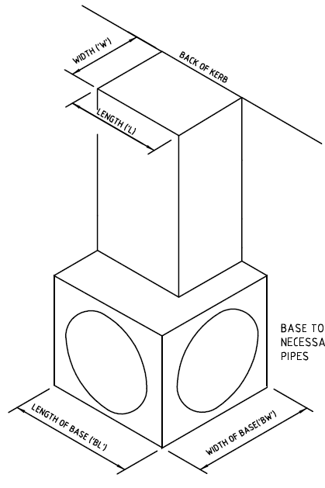
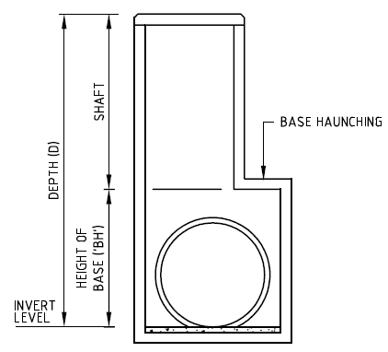
PITS
Input
Depth 'D' | 2000 | mm | See Standard Drawing SD400 for diagram
Height of base 'BH' | 1000 | mm
Width 'W' | 600 | mm
Length 'L' | 900 | mm
Width of base 'BW' | 1000 | mm
Length of base 'BL' | 1200 | mm
Wall thickness | 150 | mm | Typically 150 mm
Pipe diameter | 900 | mm
No. of inlet/outlets | 3 | no.

Total pipe area | 1.91 | sq.m
Materials |  |  | note: N25 (1:2:4) (cement:sand:agg) mix
Concrete volume | 1.43 | cu.m | Note: Total volume - pipe volume
Cement | 0.2 | cu.m
Coarse aggregate | 0.8 | cu.m
Fine aggregate | 0.4 | cu.m

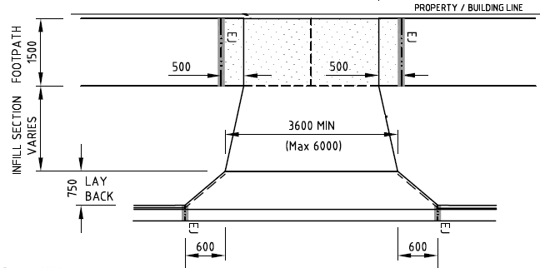
VEHICLE CROSSING
Input |  |  | See relevant Standard Drawing
Type | SD240
Width @ property | 3000 | mm | 3000 min
Width @ infill | 3600 | mm | 3600 to 6000+ mm
Width @ kerb | 4800 | mm | Typically infill + 1200 mm
Length @ footpath | 1500 | mm | Typically 1500 or 2500 mm
Length @ infill | 2000 | mm | Varies
Length @ layback | 750 | mm | Typically 750 mm
Thickness | 125 | mm | Note: 125 or 150 mm
Reo. type | SL72 |  | Note: SL72 or SL72 x 2

Steel mesh area | 14.25 | sq.m
Materials |  |  | note: N25 (1:2:4) (cement:sand:agg) mix
Concrete volume | 1.78 | cu.m
Cement | 0.3 | cu.m
Coarse aggregate | 1.0 | cu.m
Fine aggregate | 0.5 | cu.m
Bedding gravel | 0.7 | cu.m | Note: 50 mm thick
Steel reo. | 0.005 | cu.m | note: SL72 mesh, 172sq.mm cross sectional

